Sheet1
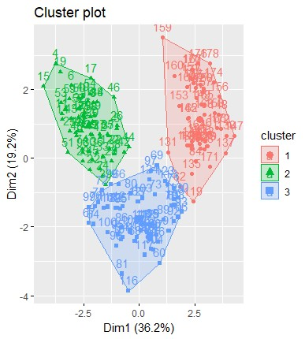
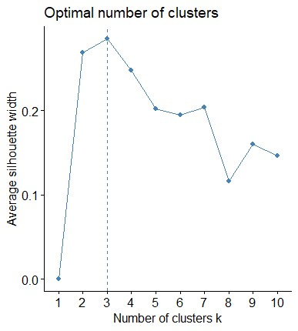
Characteristics of each cluster
Cluster | Alcohol | Malic acid | Ash | Alcalinity of Ash | Magnesium | Total phenols | Flavanoids | Nonflavanoid phenols | Proanthocyanins | Color intensity | Hue | OD280/OD315 of diluted wines | Proline
1 | 13.13 | 3.31 | 2.42 | 21.24 | 98.67 | 1.68 | 0.82 | 0.45 | 1.15 | 7.23 | 0.69 | 1.70 | 619.06
2 | 13.68 | 2.00 | 2.47 | 17.46 | 107.97 | 2.85 | 3.00 | 0.29 | 1.92 | 5.45 | 1.07 | 3.16 | 1100.23
3 | 12.25 | 1.90 | 2.23 | 20.06 | 92.74 | 2.25 | 2.05 | 0.36 | 1.62 | 2.97 | 1.06 | 2.80 | 510.17

